LAYOUT
FROUNT SIDE DOOR - 10
ZEBRA PRINTER -ZD421-300 DPI ETHERNET

MASTER MITSUBISHI PLC
SOFTWARE

ZEBRA PORTABLE-WIRELESS SCANNER-DS2278
BACK SIDE DOOR - 10

HMI
1.MITSUBISHI PLC
HMI

HMI
HMI
2.MITSUBISHI PLC

HMI
HMI
3.MITSUBISHI PLC

HMI
HMI
4.MITSUBISHI PLC

PRINTING
Sr. No. | FG CAT No. | A | mA | Type | Sr. No. | FG CAT No. | A | mA | Type
1 | AUF3C200601 | 6 | 10 | AC | 25 | AUF3D200203 | 2 | 30 | Adi
2 | AUF3C201001 | 10 | 10 | AC | 26 | AUF3D200403 | 4 | 30 | Adi
3 | AUF3C201601 | 16 | 10 | AC | 27 | AUF3D200603 | 6 | 30 | Adi
4 | AUF3C200603 | 6 | 30 | AC | 28 | AUF3D201003 | 10 | 30 | Adi
5 | AUF3C201003 | 10 | 30 | AC | 29 | AUF3D201603 | 16 | 30 | Adi
6 | AUF3C201603 | 16 | 30 | AC | 30 | AUF3D202003 | 20 | 30 | Adi
7 | AUF3C202003 | 20 | 30 | AC | 31 | AUF3D202503 | 25 | 30 | Adi
8 | AUF3C202503 | 25 | 30 | AC | 32 | AUF3D203203 | 32 | 30 | Adi
9 | AUF3C203203 | 32 | 30 | AC | 33 | AUF3D204003 | 40 | 30 | Adi
10 | AUF3C204003 | 40 | 30 | AC | 34 | AUF3D200610 | 6 | 100 | Adi
11 | AUF3C200610 | 6 | 100 | AC | 35 | AUF3D201010 | 10 | 100 | Adi
12 | AUF3C201010 | 10 | 100 | AC | 36 | AUF3D201610 | 16 | 100 | Adi
13 | AUF3C201610 | 16 | 100 | AC | 37 | AUF3D202010 | 20 | 100 | Adi
14 | AUF3C202010 | 20 | 100 | AC | 38 | AUF3D202510 | 25 | 100 | Adi
15 | AUF3C202510 | 25 | 100 | AC | 39 | AUF3D203210 | 32 | 100 | Adi
16 | AUF3C203210 | 32 | 100 | AC | 40 | AUF3D204010 | 40 | 100 | Adi
17 | AUF3C204010 | 40 | 100 | AC | 41 | AUF3D200630 | 6 | 300 | Adi
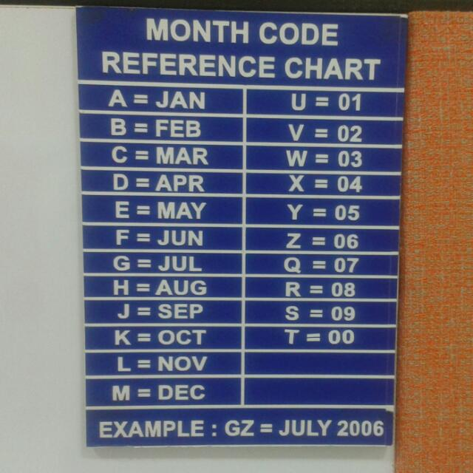
18 | AUF3C200630 | 6 | 300 | AC | 42 | AUF3D201030 | 10 | 300 | Adi
19 | AUF3C201030 | 10 | 300 | AC | 43 | AUF3D201630 | 16 | 300 | Adi
20 | AUF3C201630 | 16 | 300 | AC | 44 | AUF3D202030 | 20 | 300 | Adi
21 | AUF3C202030 | 20 | 300 | AC | 45 | AUF3D202530 | 25 | 300 | Adi
22 | AUF3C202530 | 25 | 300 | AC | 46 | AUF3D203230 | 32 | 300 | Adi
23 | AUF3C203230 | 32 | 300 | AC | 47 | AUF3D204030 | 40 | 300 | Adi
24 | AUF3C204030 | 40 | 300 | AC

 |  | AUF3C204003KWA100095 |  |  |  |  |  | 20
 | MODEL NUMBER | AUF3C204003 |  |  |  |  | 11
 | YEAR/MONTH | KWA |  |  |  |  | 3
 | COUNTER | 100098 |  |  |  |  | 6
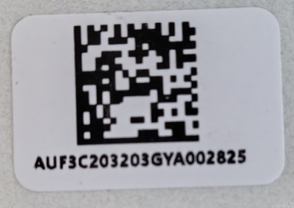
 |  |  |  |  |  |  | 20

 |  |  |  |  | K | OCT
 |  |  |  |  | W | 3 | MARCH
 |  |  |  |  | A | 2000

LINE
192.168.3.255
192.168.3.254
192.168.3.253
192.168.3.252
192.168.3.251
c
PLC IP ADDRESS

10.FINAL VISION
9.REVETING
8.NEUTRAL 2C
7.NEUTRAL 2B 6.NEUTRAL 2A
5.NEUTRAL 1 B 4.NEUTRAL 1 A
3.PHASE SIDE 2 2.PHASE SIDE 1
1.KITTING STATION
STATION

PRINTER-QR CODE
TRACK

3.HMI
192.168..3.267
2.HMI
192.168..3.266
3.HMI
192.168..3.265
2.HMI
192.168..3.264
3.HMI
192.168..3.263
2.HMI
192.168..3.262
HMI
192.168..3.268
SOFTWARE PC
192.168.3.250
HMI IP ADDRESS

PRINTER-RATING

3D
